Sheet1
 |  | Document No. |  | Issue No. | Issue Date |  |  | Review and Replace Date |  |  | Authorised By
 |  | GFF484MC |  | 1 | 05.12.2024 |  |  | New Issue |  |  | Magda Shah
 |  | Document Title |  | 25 Chicken Samosas with Tamarind Dip 995g
Document amendments reason for change |  | New Launch |  |  | Page 1 of 1 |  | Previous Issue Date |  | New Issue |  | Uncontrolled copy unless signed original

CCSAC2-B25X4TTA |  |  | TAKUL- Ramadan |  |  | 25 Chicken Samosas with Tamarind Dip 995g
STEP 1 |  |  |  |  |  |  |  | STEP 2
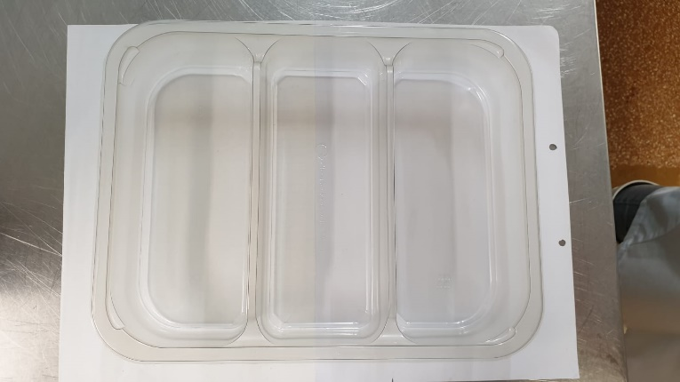 |  |  |  |  |  |  |  | 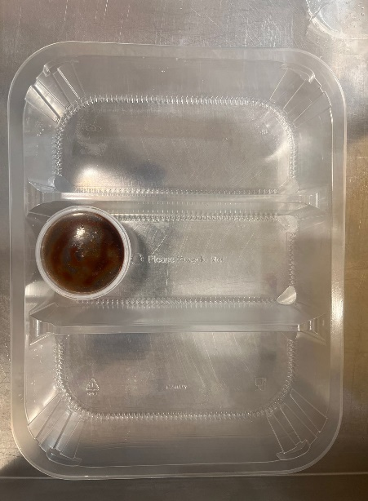

CHILLED

Packaging: Tray:3 cavity HW308/60 Transparent-(PKLEE001-08) |  |  |  |  |  |  |  | Tamarind Dip (RMP&B001-04) 120g
Film: K Peel RPSM 25µm (340mmX1000lmm)-PKKMP001-05 |  |  |  |  |  |  |  | 120ml Tamper Evident Container & Lid (PKSYS002-02)
 | STEP 3
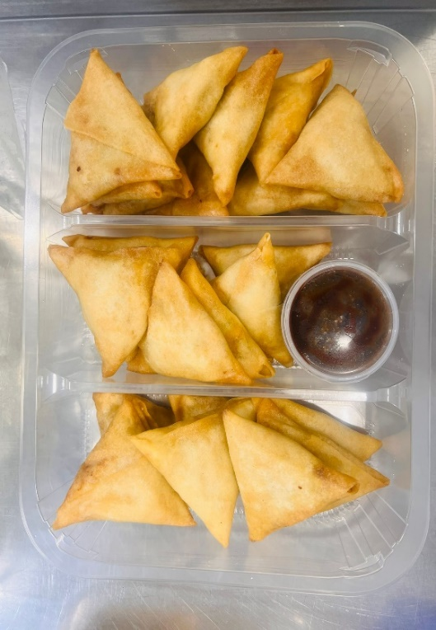 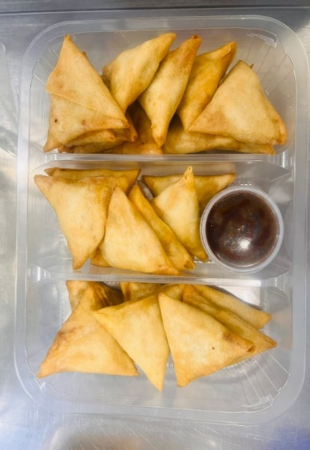
25 x Chicken Samosa Frying (GFF511R): 35g (1X25 pieces) 875g |  |  |  |  |  |  |  |  |  | Total Weight : 995g
ALLERGY ALERT: Wheat, Soya

